Variance
Calculate Dataset Using Sample Variance

$$\overline{x}$$

$$X−\overline{x}$$
$${(X−\overline{x})}^{2}$$
$${(X−\overline{x})}^{2}$$
X
12 | -8.85 | 78.3225 | Average | 20.85
12 | -8.85 | 78.3225 | Total | 670.55 | Dataset
13 | -7.85 | 61.6225 | Sample Variance | 35.292105263 | 46 | 69 | 32 | 60 | 52 | 41
14 | -6.85 | 46.9225
17 | -3.85 | 14.8225
17 | -3.85 | 14.8225
17 | -3.85 | 14.8225
18 | -2.85 | 8.1225
18 | -2.85 | 8.1225
19 | -1.85 | 3.4225
22 | 1.15 | 1.3225
23 | 2.15 | 4.6225
23 | 2.15 | 4.6225
25 | 4.15 | 17.2225
26 | 5.15 | 26.5225
26 | 5.15 | 26.5225
26 | 5.15 | 26.5225
29 | 8.15 | 66.4225
30 | 9.15 | 83.7225
30 | 9.15 | 83.7225

Standard Deviation
Standard Variation
$${(X−\overline{x})}^{2}$$
$$\overline{x}$$
$$X−\overline{x}$$

$${(X−\overline{x})}^{2}$$
12 | -8.85 | 78.3225 | Mean | 20.85
12 | -8.85 | 78.3225 | Total | 670.55
13 | -7.85 | 61.6225 | Variance | 33.5275
14 | -6.85 | 46.9225 | Standard Deviation | 5.9407158881
17 | -3.85 | 14.8225
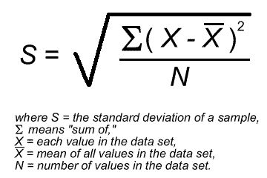
17 | -3.85 | 14.8225
17 | -3.85 | 14.8225
18 | -2.85 | 8.1225
18 | -2.85 | 8.1225
19 | -1.85 | 3.4225
22 | 1.15 | 1.3225
23 | 2.15 | 4.6225
23 | 2.15 | 4.6225
25 | 4.15 | 17.2225
26 | 5.15 | 26.5225
26 | 5.15 | 26.5225
26 | 5.15 | 26.5225
29 | 8.15 | 66.4225
30 | 9.15 | 83.7225
30 | 9.15 | 83.7225

Exponential Smoothing
$$α$$
$$A_{t}$$
$$F_{t}$$
$$F_{t}=F_{t−1}+α\left(A_{t−1}−F_{t−1}\right)$$
Exponential Smoothing
 | 0.1
Period (t) | Actual data
1 | 42 | 42
2 | 40
3 | 43
4 | 40
5 | 41
6 | 39
7 | 46
8 | 44
9 | 45
10 | 38
11 | 40

